Sec 1
Section 1: Basics of Excel

 | Basic Arithmetic Operations (SUM, MAX, MIN, SMALL, LARGE & MEDIAN)

 |  | Task 1.Calculate the total sales using the SUM function
 |  | Total Sales | 2297200.86

 |  | Task 2.highest sales month using the MAX function
 |  | Max sales | 22638.48
 |  | Max sales Month | #ERROR!

 |  | Task 3.lowest sales month using the MIN function
 |  | MIx sales | 0.444
 |  | MIx sales Month | #ERROR!

 |  | Task 4. SMALL function to find the month with the 2nd lowest sales.
 |  | 2 Lowes Sales | 0.556
 |  | 2 Lowes Sales Month | #ERROR!

 |  | Task 5: Apply the LARGE function to find the month with the 3rd highest sales and calculate the median sales using the MEDIAN function.
 |  | 3rd Largest Sales | 13999.96
 |  | 3 Largest Sales Month | #ERROR!

 | Transpose Vs TRANSPOSE Formula

 |  | Task 1: Create a table of monthly sales data (months as rows, sales as columns) and manually transpose it.

 |  | Sum of Sales | Years
 |  | Ship Date | 2014 | 2015 | 2016 | 2017 | Grand Total
 |  | Jan | 27139.436 | 20684.7676 | 17009.902 | 44622.5838 | 109456.6894
 |  | Feb | 5406.528 | 12679.077 | 26954.085 | 23506.7824 | 68546.4724
 |  | Mar | 50708.349 | 39269.662 | 48795.91 | 52891.385 | 191665.306
 |  | Apr | 30388.465 | 25515.2535 | 41028.298 | 40021.6803 | 136953.6968
 |  | May | 22478.88 | 32587.9535 | 46520.184 | 44774.9324 | 146361.9499
 |  | Jun | 35991.6556 | 29850.83 | 48272.722 | 47220.4981 | 161335.7057
 |  | Jul | 32990.594 | 30400.227 | 37595.947 | 47183.873 | 148170.641
 |  | Aug | 30245.242 | 28116.3142 | 32031.5793 | 63760.02 | 154153.1555
 |  | Sep | 73126.6533 | 69615.835 | 70460.8006 | 91427.867 | 304631.1559
 |  | Oct | 35741.477 | 32575.7155 | 60858.1993 | 75551.6612 | 204727.053
 |  | Nov | 80182.1947 | 70634.85 | 74664.1848 | 105200.513 | 330681.7425
 |  | Dec | 59848.0235 | 78602.0237 | 105013.786 | 97053.459 | 340517.2922
 |  | Grand Total | 484247.4981 | 470532.509 | 609205.598 | 733215.2552 | 2297200.8603

 |  | Ship Date | Jan | Feb | Mar | Apr | May | Jun | Jul | Aug | Sep | Oct | Nov | Dec | Grand Total
 |  | 2014 | 27139.436 | 5406.528 | 50708.349 | 30388.465 | 22478.88 | 35991.6556 | 32990.594 | 30245.242 | 73126.6533 | 35741.477 | 80182.1947 | 59848.0235 | 484247.4981
 |  | 2015 | 20684.7676 | 12679.077 | 39269.662 | 25515.2535 | 32587.9535 | 29850.83 | 30400.227 | 28116.3142 | 69615.835 | 32575.7155 | 70634.85 | 78602.0237 | 470532.509
 |  | 2016 | 17009.902 | 26954.085 | 48795.91 | 41028.298 | 46520.184 | 48272.722 | 37595.947 | 32031.5793 | 70460.8006 | 60858.1993 | 74664.1848 | 105013.786 | 609205.598
 |  | 2017 | 44622.5838 | 23506.7824 | 52891.385 | 40021.6803 | 44774.9324 | 47220.4981 | 47183.873 | 63760.02 | 91427.867 | 75551.6612 | 105200.513 | 97053.459 | 733215.2552
 |  | Grand Total | 109456.6894 | 68546.4724 | 191665.306 | 136953.6968 | 146361.9499 | 161335.7057 | 148170.641 | 154153.1555 | 304631.1559 | 204727.053 | 330681.7425 | 340517.2922 | 2297200.8603

 |  | Task 2: Use the TRANSPOSE function to transpose the same table.

 |  | #NAME?

 |  | Task 3: Compare the manual transpose and the TRANSPOSE function results.

 |  | Manual Transpose | Function Transpose
 |  | Quick & Easy withot Formula | Required Formula Knowledge
 |  | Non-Dynamic | Dynamic
 |  | Ideal For Small Dataset | Great for large and Frequently Updated Data-Set

 |  | Task 4: Explain the advantages of using the TRANSPOSE function over manual transposing.

 |  | 1. Automatically reflects changes in the original data without redoing the transpose.
 |  | 2. Instantly flips large datasets with a single formula.
 |  | 3. Eliminates manual copy-paste mistakes.
 |  | 4. Easily combines with other Excel functions for advanced analysis.
 |  | 5. Maintains a live link to the source, ensuring accuracy.
 |  | 6. - Handles large and complex data structures effortlessly.
 |  | 7. Keeps your spreadsheet organized and easier to maintain.

 |  | Task 5: Create a dynamic range that updates the transposed values automatically when the original data changes.

 |  | Row ID | Order ID | Order Date
 |  | 1 | CA-2016-152156 | 2016-11-08
 |  | 2 | CA-2016-152156 | 2016-11-08
 |  | 3 | CA-2016-138688 | 2016-06-12

 |  | Row ID | 1 | 2 | 1900-01-03
 |  | Order ID | CA-2016-152156 | CA-2016-152156 | CA-2016-138688
 |  | Order Date | 2016-11-08 | 2016-11-08 | 2016-06-12

 | Using COUNTBLANK, COUNT & COUNTA

 |  | Task 1: Create a dataset with product names, sales numbers, and some blank cells.

 |  | Product Name | Sales | Quantity
 |  | Bush Somerset Collection Bookcase | 261.96 | 2
 |  |  |  | 3
 |  | Self-Adhesive Address Labels for Typewriters by Universal | 14.62 | 2
 |  | Bretford CR4500 Series Slim Rectangular Table | 957.5775
 |  |  | 22.368 | 2
 |  | Eldon Expressions Wood and Plastic Desk Accessories, Cherry Wood |  | 7
 |  | Newell 322 | 7.28 | 4
 |  | Mitel 5320 IP Phone VoIP phone |  | 6
 |  | DXL Angle-View Binders with Locking Rings by Samsill | 18.504 | 3

 |  | Task 2: Use the COUNT function to count the numerical values in the sales column.

 |  | 14 | =COUNT(C115:E124)

 |  | Task 3: Apply the COUNTA function to count all non-blank cells in the product names column.

 |  | 7 | =COUNTA(C116:C124)

 |  | Task 4: Use the COUNTBLANK function to count the number of blank cells in the sales column.

 |  | 3 | =COUNTBLANK(D116:D124)

 |  | Task 5: Compare the results of COUNT, COUNTA, and COUNTBLANK functions.

 |  | COUNT | COUNTA | COUNTBLANK
 |  | Only numeric values | All non-empty cells (numbers, text, etc.) | Only truly blank (empty) cells
 |  | Text, blanks, errors | Truly blank cells | Any cell with content or formulas
 |  | Count how many cells contain numbers | Count how many cells have any content | Count how many cells are completely empty

 | Quick Calculations using Status Bar

 |  | Task 1: Select a range of sales data and observe the sum, average, and count in the status bar.

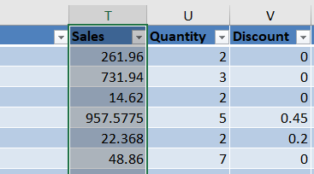

 |  | Task 2: Compare the quick calculation results with the functions SUM, AVERAGE, and COUNT.

 |  | SUM | AVERAGE | COUNT
 |  | Instantly shows total of selected numeric cells in the status bar (no formula needed). | Instantly shows average of selected numeric cells. | Instantly shows count of selected numeric cells.
 |  | .=SUM(range) adds all numeric values in the range. | .=AVERAGE(range) calculates the mean of numeric values. | .=COUNT(range) counts numeric entries only.
 |  | Quick checks and validations | Fast insights without editing cells | Fast numeric counts on the fly

 |  | Task 3: Explore other calculations available in the status bar (e.g., Min, Max).

 |  | Task 4: Use the status bar to quickly verify data analysis results.

 |  | Task 5: Explain the benefits of using the status bar for quick calculations.

 |  | Instant Insights: Shows real-time values like SUM, AVERAGE, and COUNT when you select a range—no formulas needed.
 |  | Time-Saving: Quickly check data without writing or editing formulas.
 |  | Error-Free: Reduces the chance of mistakes from manual calculations.
 |  | Customizable: You can choose which stats (e.g., Min, Max, Numerical Count) appear by right-clicking the status bar.
 |  | Non-Intrusive: Keeps your worksheet clean while still providing useful data at a glance.

 | Calculating Growth Percentage YoY & Using POWER Formula

 |  | Task 1: Create a dataset of yearly revenue data for 5 years.

 |  | Yearly Revenue
 |  | Years | REVENUE
 |  | 2014 | 49543.9741
 |  | 2015 | 61618.6037
 |  | 2016 | 81795.1743
 |  | 2017 | 93439.2696
 |  | 2018 | 286397.0217

 |  | Task 2: Calculate the year-over-year growth percentage for each year.

 |  | Yearly Revenue
 |  | Years | REVENUE | YoY Growth per Year
 |  | 2014 | 49543.9741 | 0% | =POWER(D206/D206, 1/(COUNT(C206:C210))) - 1
 |  | 2015 | 61618.6037 | 24% | =(D207-D206)/D206
 |  | 2016 | 81795.1743 | 33% | =(D208-D207)/D207
 |  | 2017 | 93439.2696 | 14% | =(D209-D208)/D208
 |  | 2018 | 286397.0217 | 207% | =(D210-D209)/D209

 |  | Task 3: Use the POWER formula to calculate the compound annual growth rate (CAGR). Finding For 2016

 |  | 0.3274428401 | =POWER(D208/D207,1)-1

 |  | Task 4: Compare the manual growth percentage calculation with the POWER formula results.

 |  | Manual Growth % | Power Formula
 |  | Easy way to calculate | Slightly Complex way to calculate
 |  | it is useful for single year growth | for one or more years compound growth
 |  | its not for CAGR | ideal for Multi-Year CAGR
 |  | Best for Qick YoY Check | Best for Dynamic models, CAGR, Scalable logic
 |  | Results are Same for Both Methods

 |  | Task 5: Explain the significance of growth percentage and CAGR in business analysis.

 |  | Growth Percentage (YoY) | Compound Annual Growth Rate (CAGR)
 |  | Measures how much a business metric (like revenue or profit) has increased or decreased compared to the previous year. | Smooths out year-to-year fluctuations to reveal the average annual growth over a period.
 |  | Useful for spotting sudden spikes or drops in performance. | Useful for comparing performance across products, business units, or competitors on a consistent basis.
 |  | Helps managers react quickly to recent changes in business conditions. | Helps forecast future performance and evaluate investment potential.
 |  | Together, they give a balanced view of business health—both recent momentum and sustained progress.
 |  | YoY growth is great for short-term insights, while CAGR provides a long-term perspective.

Sec 2
Section 2: Formatting Options in Excel
 | Ways to Format Cells
 |  | Task 1: Format the sales data cells to have a currency format.

 |  | Sales | Sales with Currency
 |  | 261.96 | $261.96
 |  | 731.94 | $731.94
 |  | 14.62 | $14.62
 |  | 957.5775 | $957.58
 |  | 22.368 | $22.37
 |  | 48.86 | $48.86
 |  | 7.28 | $7.28

 |  | Task 2: Apply a conditional format to highlight sales figures greater than a specified Amount

 |  | Specified Amount =101
 |  | Sales
 |  | 261.96
 |  | 731.94
 |  | 14.62
 |  | 957.5775
 |  | 22.368
 |  | 48.86
 |  | 7.28

 |  | Task 3: Use different font styles and sizes for the header row.

 |  | Customer Name | Segment | Country | City | State
 |  | Claire Gute | Consumer | United States | Henderson | Kentucky
 |  | Claire Gute | Consumer | United States | Henderson | Kentucky
 |  | Darrin Van Huff | Corporate | United States | Los Angeles | California
 |  | Sean O'Donnell | Consumer | United States | Fort Lauderdale | Florida

 |  | Task 4: Add borders to the table to improve readability.

 |  | Customer Name | Segment | Country | City | State
 |  | Claire Gute | Consumer | United States | Henderson | Kentucky
 |  | Claire Gute | Consumer | United States | Henderson | Kentucky
 |  | Darrin Van Huff | Corporate | United States | Los Angeles | California
 |  | Sean O'Donnell | Consumer | United States | Fort Lauderdale | Florida

 |  | Task 5: Change the background color of the cells based on the sales performance.

 |  | Sales
 |  | 261.96
 |  | 731.94
 |  | 14.62
 |  | 957.5775
 |  | 22.368
 |  | 48.86
 |  | 7.28

 |  | Formatting Numbers in Different Ways

 |  | Task 1: Format numbers to display as percentages.

 |  | 0.367623 | 36.8%
 |  | 0.938639 | 93.9%
 |  | 0.5893 | 58.9%

 |  | Task 2: Use custom number formatting to display sales figures in thousands.

 |  | 35425 | 35K
 |  | 55123 | 55K
 |  | 748212 | 748K

 |  | Task 3: Format negative numbers to appear in red.

 |  | Sales
 |  | $261.96
 |  | $731.94
 |  | -$14.62
 |  | $957.58
 |  | -$22.37
 |  | $48.86
 |  | -$7.28

 |  | Task 4: Apply number formatting to show a fixed number of decimal places.

 |  | Sales | Sales
 |  | 262 | 261.96
 |  | 732 | 731.94
 |  | -15 | -14.62
 |  | 958 | 957.58
 |  | -22 | -22.37
 |  | 49 | 48.86
 |  | -7 | -7.28

 |  | Task 5: Experiment with scientific number formatting.

 |  | 325,000 | 3.250E+05
 |  | 6,000,000 | 6.000E+06
 |  | 1,230,000,000 | 1.230E+09
 |  | 93,000,000 | 9.300E+07
 |  | 1.988E+30 | 1.988E+30

 |  | Formatting Lengthy Text using Wrap Text and Alignment

 |  | Task 1: Enter lengthy product descriptions and use the Wrap Text feature.

 |  | LF Elite 3D Dazzle Designer Hard Case Cover, Lf Stylus Pen and Wiper For Apple Iphone 5c Mini Lite, KLD Oscar II Style Snap-on Ultra Thin Side Flip Synthetic Leather Cover Case for HTC One HTC M7

 |  | LF Elite 3D Dazzle Designer Hard Case Cover, Lf Stylus Pen and Wiper For Apple Iphone 5c Mini Lite, KLD Oscar II Style Snap-on Ultra Thin Side Flip Synthetic Leather Cover Case for HTC One HTC M7

 |  | Task 2: Align text to the center of the cells.

 |  | Align text to the center of the cells.

 |  | Align text to the center of the cells.

 |  | Task 3: Use the Merge & Center option for the table headers.

 |  | Yearly Revenue
 |  | Years | REVENUE
 |  | 2014 | 49543.9741
 |  | 2015 | 61618.6037
 |  | 2016 | 81795.1743
 |  | 2017 | 93439.2696
 |  | 2018 | 286397.0217

 |  | Task 4: Adjust the row height and column width for better text display.

 |  | Task 5: Apply text rotation to the headers for a better presentation.

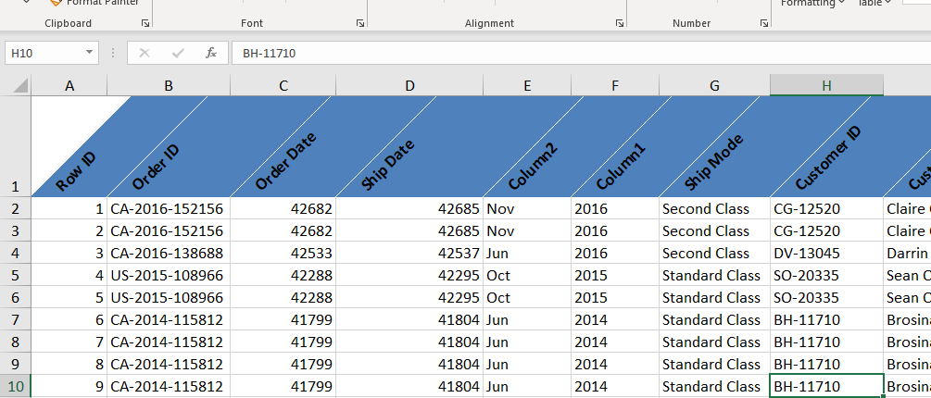

 |  | All About Format Painter

 |  | Task 1: Format a cell with a specific style (font, color, border).

 |  | Howard Miller 13-3/4" Diameter Brushed Chrome Round Wall Clock

 |  | Task 2: Use Format Painter to apply the same formatting to multiple cells.

 |  | Region | Product ID | Category
 |  | South | FUR-BO-10001798 | Furniture
 |  | South | FUR-CH-10000454 | Furniture

 |  | Task 3: Experiment with copying formatting from one worksheet to another. Copyed from Sheet Orders

 |  | State | Postal Code | Region
 |  | Kentucky | 42420 | South

 |  | Task 4: Apply Format Painter to a range of cells.

 |  | Kentucky | 42420
 |  | Kentucky | 42420
 |  | California | 90036
 |  | Florida | 33311
 |  | Florida | 33311
 |  | California | 90032
 |  | California | 90032
 |  | California | 90032
 |  | California | 90032
 |  | California | 90032
 |  | California | 90032

 |  | Task 5: Explain the advantages of using Format Painter in Excel.

 |  | Using Format Painter is like having a "formatting copy-paste brush"—fast, clean, and reliable.

Sec 3
Section 3: Sort and Filter Option

 | Sorting Numbers and Dates in Different Ways

 |  | Task 1: Create a dataset of sales dates and amounts.

 |  | Ship Date | Sales
 |  | 2016-11-11 | 261.96
 |  | 2016-11-11 | 731.94
 |  | 2016-06-16 | 14.62
 |  | 2015-10-18 | 957.5775
 |  | 2015-10-18 | 22.368

 |  | Task 2: Sort the sales data by date in ascending order.

 |  | Ship Date | Sales
 |  | 2016-11-11 | 261.96
 |  | 2016-11-11 | 731.94
 |  | 2016-06-16 | 14.62
 |  | 2015-10-18 | 957.5775
 |  | 2015-10-18 | 22.368

 |  | Task 3: Sort the sales data by date in descending order.

 |  | Ship Date | Sales
 |  | 2015-10-18 | 957.5775
 |  | 2015-10-18 | 22.368
 |  | 2016-06-16 | 14.62
 |  | 2016-11-11 | 261.96
 |  | 2016-11-11 | 731.94

 |  | Task 4: Sort the sales amounts in ascending order.

 |  | Ship Date | Sales
 |  | 2016-06-16 | 14.62
 |  | 2015-10-18 | 22.368
 |  | 2016-11-11 | 261.96
 |  | 2016-11-11 | 731.94
 |  | 2015-10-18 | 957.5775

 |  | Task 5: Sort the sales amounts in descending order.

 |  | Ship Date | Sales
 |  | 2015-10-18 | 957.5775
 |  | 2016-11-11 | 731.94
 |  | 2016-11-11 | 261.96
 |  | 2015-10-18 | 22.368
 |  | 2016-06-16 | 14.62

 | Sorting Text Alphabetically (A-Z) or (Z-A)

 |  | Task 1: Create a list of product names

 |  | Product Name
 |  | Bush Somerset Collection Bookcase
 |  | Hon Deluxe Fabric Upholstered Stacking Chairs, Rounded Back
 |  | Self-Adhesive Address Labels for Typewriters by Universal
 |  | Bretford CR4500 Series Slim Rectangular Table
 |  | Eldon Fold 'N Roll Cart System
 |  | Eldon Expressions Wood and Plastic Desk Accessories, Cherry Wood

 |  | Task 2: Sort the product names alphabetically from A to Z.

 |  | Product Name
 |  | Bretford CR4500 Series Slim Rectangular Table
 |  | Bush Somerset Collection Bookcase
 |  | Eldon Expressions Wood and Plastic Desk Accessories, Cherry Wood
 |  | Eldon Fold 'N Roll Cart System
 |  | Hon Deluxe Fabric Upholstered Stacking Chairs, Rounded Back
 |  | Self-Adhesive Address Labels for Typewriters by Universal

 |  | Task 3: Sort the product names alphabetically from Z to A

 |  | Product Name
 |  | Self-Adhesive Address Labels for Typewriters by Universal
 |  | Hon Deluxe Fabric Upholstered Stacking Chairs, Rounded Back
 |  | Eldon Fold 'N Roll Cart System
 |  | Eldon Expressions Wood and Plastic Desk Accessories, Cherry Wood
 |  | Bush Somerset Collection Bookcase
 |  | Bretford CR4500 Series Slim Rectangular Table

 |  | Task 4: Explain the impact of sorting on data analysis.

 |  | Sorting in data analysis helps reveal patterns, trends, and outliers by organizing data in a meaningful order, making it easier to interpret and visualize.
 |  | Sorting organizes data to reveal trends, outliers, and priorities—making analysis, reporting, and decision-making faster and clearer.

 |  | Task 5: Combine sorting by product name and sales amount.

 |  | Product Name | Sales
 |  | Bretford CR4500 Series Slim Rectangular Table | 957.5775
 |  | Bush Somerset Collection Bookcase | 261.96
 |  | Eldon Expressions Wood and Plastic Desk Accessories, Cherry Wood | 48.86
 |  | Eldon Fold 'N Roll Cart System | 22.368
 |  | Hon Deluxe Fabric Upholstered Stacking Chairs, Rounded Back | 731.94
 |  | Self-Adhesive Address Labels for Typewriters by Universal | 14.62

 | Sorting by Cell Colour

 |  | Task 1: Apply different background colors to cells based on sales performance.

 |  | Product Name | Sales
 |  | Bretford CR4500 Series Slim Rectangular Table | 957.5775
 |  | Bush Somerset Collection Bookcase | 261.96
 |  | Eldon Expressions Wood and Plastic Desk Accessories, Cherry Wood | 48.86
 |  | Eldon Fold 'N Roll Cart System | 22.368
 |  | Hon Deluxe Fabric Upholstered Stacking Chairs, Rounded Back | 731.94
 |  | Self-Adhesive Address Labels for Typewriters by Universal | 14.62

 |  | Task 2: Sort the data by cell color.

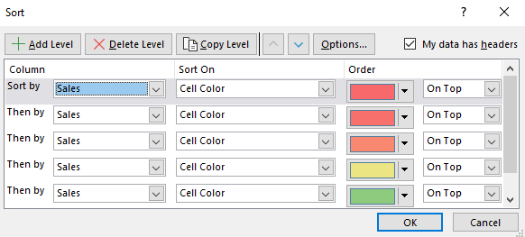
 |  | Product Name | Sales
 |  | Self-Adhesive Address Labels for Typewriters by Universal | 14.62
 |  | Eldon Fold 'N Roll Cart System | 22.368
 |  | Eldon Expressions Wood and Plastic Desk Accessories, Cherry Wood | 48.86
 |  | Bush Somerset Collection Bookcase | 261.96
 |  | Hon Deluxe Fabric Upholstered Stacking Chairs, Rounded Back | 731.94
 |  | Bretford CR4500 Series Slim Rectangular Table | 957.5775

 |  | Task 3: Analyze the sorted data to identify trends.

 |  | The data shows a clear ascending pattern in sales values, indicating a wide range of product performance.
 |  | A small number of high-ticket items contribute disproportionately to total revenue

 |  | Task 4: Use conditional formatting to apply colors and then sort.

 |  | Product Name | Sales
 |  | Bretford CR4500 Series Slim Rectangular Table | 957.5775
 |  | Hon Deluxe Fabric Upholstered Stacking Chairs, Rounded Back | 731.94
 |  | Bush Somerset Collection Bookcase | 261.96
 |  | Eldon Expressions Wood and Plastic Desk Accessories, Cherry Wood | 48.86
 |  | Eldon Fold 'N Roll Cart System | 22.368
 |  | Self-Adhesive Address Labels for Typewriters by Universal | 14.62

 |  | Task 5: Explain how sorting by color can enhance data visualization.

 |  | Sorting by color in Excel enhances data visualization by making patterns, categories, and priorities instantly recognizable.
 |  | It allows users to group similar data visually—such as highlighting high performers in green or urgent issues in red—making analysis faster and more intuitive
 |  | This technique is especially useful in large datasets where color-coded statuses (e.g., "Completed", "Pending", "Delayed") help streamline decision-making and improve clarity.

 | 2 Level Sorting & Tricks for Sorting

 |  | Task 1: Create a dataset with multiple columns (e.g., product name, sales, date).

 |  | Product Name | Sales | Ship Date
 |  | "While you Were Out" Message Book, One Form per Page | 7.42 | 2017-11-05
 |  | "While you Were Out" Message Book, One Form per Page | 8.904 | 2017-11-16
 |  | "While you Were Out" Message Book, One Form per Page | 8.904 | 2017-09-07
 |  | #10- 4 1/8" x 9 1/2" Recycled Envelopes | 27.968 | 2017-10-05
 |  | #10- 4 1/8" x 9 1/2" Recycled Envelopes | 26.22 | 2015-11-13

 |  | Task 2: Perform a primary sort by sales and a secondary sort by date.
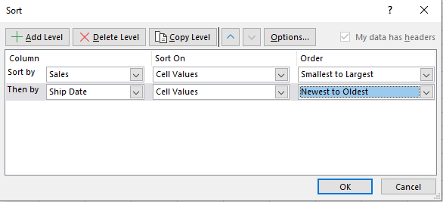
 |  | Product Name | Sales | Ship Date
 |  | "While you Were Out" Message Book, One Form per Page | 7.42 | 2017-11-05
 |  | "While you Were Out" Message Book, One Form per Page | 8.904 | 2017-11-16
 |  | "While you Were Out" Message Book, One Form per Page | 8.904 | 2017-09-07
 |  | #10- 4 1/8" x 9 1/2" Recycled Envelopes | 26.22 | 2015-11-13
 |  | #10- 4 1/8" x 9 1/2" Recycled Envelopes | 27.968 | 2017-10-05

 |  | Task 3: Use custom sort options for more complex sorting criteria.
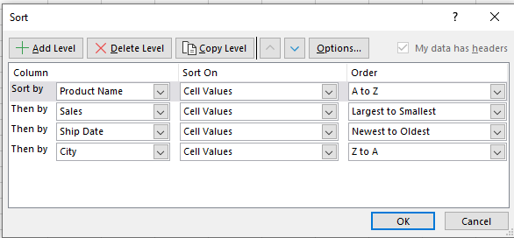
 |  | Product Name | Sales | Ship Date | City
 |  | "While you Were Out" Message Book, One Form per Page | 8.904 | 2017-11-16 | Memphis
 |  | "While you Were Out" Message Book, One Form per Page | 8.904 | 2017-09-07 | Chicago
 |  | "While you Were Out" Message Book, One Form per Page | 7.42 | 2017-11-05 | San Francisco
 |  | #10- 4 1/8" x 9 1/2" Recycled Envelopes | 27.968 | 2017-10-05 | Springfield
 |  | #10- 4 1/8" x 9 1/2" Recycled Envelopes | 26.22 | 2015-11-13 | Pasadena

 |  | Task 4: Apply a multi-level sort to organize the data hierarchically.

 |  | Product Name | Sales | Ship Date | City
 |  | "While you Were Out" Message Book, One Form per Page | 8.904 | 2017-11-16 | Memphis
 |  | "While you Were Out" Message Book, One Form per Page | 8.904 | 2017-09-07 | Chicago
 |  | "While you Were Out" Message Book, One Form per Page | 7.42 | 2017-11-05 | San Francisco
 |  | #10- 4 1/8" x 9 1/2" Recycled Envelopes | 27.968 | 2017-10-05 | Springfield
 |  | #10- 4 1/8" x 9 1/2" Recycled Envelopes | 26.22 | 2015-11-13 | Pasadena

 |  | Task 5: Explain the importance of multi-level sorting in data analysis

 |  | it allows you to organize complex datasets by multiple criteria—such as sorting first by region, then by sales—revealing deeper patterns and relationships.
 |  | This enhances clarity, supports better decision-making, and ensures more accurate comparisons across grouped data.

Sec 6
Section 6: Practical Data Cleaning

 | Removing Duplicate Values and Error Values

 |  | Task 1: Create a dataset with duplicate values.

 |  | Order ID | Sales
 |  | CA-2017-123491 | 7.42
 |  | CA-2017-165204 | 8.904
 |  | CA-2017-165204 | 8.904
 |  | CA-2017-100314 | 27.968
 |  | CA-2015-127509 | 26.22

 |  | Task 2: Use the Remove Duplicates feature to clean up the data.

 |  | Order ID | Sales
 |  | CA-2017-123491 | 7.42
 |  | CA-2017-165204 | 8.904
 |  | CA-2017-100314 | 27.968
 |  | CA-2015-127509 | 26.22

 |  | Task 3: Identify and remove error values from the dataset.

 |  | Order ID | Sales
 |  | CA-2017-123491 | 7.42 | Check Data
 |  | 26.22 | 8.904 | 2.944743935
 |  | CA-2017-165204 | 8.904 | Check Data
 |  | 8.904 | 27.968 | 0.3183638444
 |  | CA-2015-127509 | 26.22 | Check Data

 |  | Task 4: Use conditional formatting to highlight duplicate values.

 |  | Order ID | Sales
 |  | CA-2017-123491 | 7.42
 |  | CA-2017-165204 | 8.904
 |  | CA-2017-165204 | 8.904
 |  | CA-2017-100314 | 27.968
 |  | CA-2015-127509 | 26.22

 |  | Task 5: Verify the data cleanliness after removing duplicates and errors.

 |  | Order ID | Sales | =ARRAY_CONSTRAIN(ARRAYFORMULA(UNIQUE(D13:E18)), 5, 2)
 |  | CA-2017-123491 | 7.42
 |  | CA-2017-165204 | 8.904
 |  | CA-2017-100314 | 27.968
 |  | CA-2015-127509 | 26.22

 |  | 0 | =ARRAY_CONSTRAIN(ARRAYFORMULA(SUMPRODUCT(--ISERROR(D13:E18))), 1, 1)
 |  | FALSE | =ISNUMBER(D54)
 |  | CA-2017-165204 | =TRIM(D25)

 | Using Data Cleaning Formulas UPPER, PROPER, LOWER, TRIM, VALUE, LEN, RIGHT, LEFT & MID

 |  | Task 1: Use the UPPER function to convert text to uppercase.

 |  | 1. Task 1: Use the UPPER function to convert text to uppercase. | 1. TASK 1: USE THE UPPER FUNCTION TO CONVERT TEXT TO UPPERCASE. | =UPPER(D72)
 |  | 2. Task 2: Apply the PROPER function to format text with proper case. | 2. TASK 2: APPLY THE PROPER FUNCTION TO FORMAT TEXT WITH PROPER CASE. | =UPPER(D73)
 |  | 3. Task 3: Use the LOWER function to convert text to lowercase. | 3. TASK 3: USE THE LOWER FUNCTION TO CONVERT TEXT TO LOWERCASE. | =UPPER(D74)
 |  | 4. Task 4: Apply the TRIM function to remove extra spaces from text. | 4. TASK 4: APPLY THE TRIM FUNCTION TO REMOVE EXTRA SPACES FROM TEXT. | =UPPER(D75)
 |  | 5. Task 5: Use VALUE, LEN, RIGHT, LEFT, and MID functions for various data cleaning tasks. | 5. TASK 5: USE VALUE, LEN, RIGHT, LEFT, AND MID FUNCTIONS FOR VARIOUS DATA CLEANING TASKS. | =UPPER(D76)

 |  | Task 2: Apply the PROPER function to format text with proper case.

 |  | zipper ring binder pockets | Zipper Ring Binder Pockets | =PROPER(D81)
 |  | zebra zazzle fluorescent highlighters | Zebra Zazzle Fluorescent Highlighters | =PROPER(D82)
 |  | xtralife clearvue slant-d ring binders by cardinal | Xtralife Clearvue Slant-D Ring Binders By Cardinal | =PROPER(D83)
 |  | safco planmaster heigh-adjustable drafting table base, 43w x 30d x 30-37h, black | Safco Planmaster Heigh-Adjustable Drafting Table Base, 43W X 30D X 30-37H, Black | =PROPER(D84)
 |  | safco industrial wire shelving system | Safco Industrial Wire Shelving System | =PROPER(D85)

 |  | Task 3: Use the LOWER function to convert text to lowercase

 |  | 1. TASK 1: USE THE UPPER FUNCTION TO CONVERT TEXT TO UPPERCASE. | 1. task 1: use the upper function to convert text to uppercase. | =LOWER(D90)
 |  | 2. TASK 2: APPLY THE PROPER FUNCTION TO FORMAT TEXT WITH PROPER CASE. | 2. task 2: apply the proper function to format text with proper case. | =LOWER(D91)
 |  | 3. TASK 3: USE THE LOWER FUNCTION TO CONVERT TEXT TO LOWERCASE. | 3. task 3: use the lower function to convert text to lowercase. | =LOWER(D92)
 |  | 4. TASK 4: APPLY THE TRIM FUNCTION TO REMOVE EXTRA SPACES FROM TEXT. | 4. task 4: apply the trim function to remove extra spaces from text. | =LOWER(D93)
 |  | 5. TASK 5: USE VALUE, LEN, RIGHT, LEFT, AND MID FUNCTIONS FOR VARIOUS DATA CLEANING TASKS. | 5. task 5: use value, len, right, left, and mid functions for various data cleaning tasks. | =LOWER(D94)

 |  | Task 4: Apply the TRIM function to remove extra spaces from text.

 |  | SAFCO PlanMaster Heigh-Adjustable Drafting Table Base, 43w x 30d x 30-37h, Black | SAFCO PlanMaster Heigh-Adjustable Drafting Table Base, 43w x 30d x 30-37h, Black | =TRIM(D99)
 |  | SAFCO PlanMaster Heigh-Adjustable Drafting Table Base, 43w x 30d x 30-37h, Black | SAFCO PlanMaster Heigh-Adjustable Drafting Table Base, 43w x 30d x 30-37h, Black | =TRIM(D100)
 |  | SAFCO PlanMaster Heigh-Adjustable Drafting Table Base, 43w x 30d x 30-37h, Black | SAFCO PlanMaster Heigh-Adjustable Drafting Table Base, 43w x 30d x 30-37h, Black | =TRIM(D101)
 |  | SAFCO PlanMaster Boards, 60w x 37-1/2d, White Melamine | SAFCO PlanMaster Boards, 60w x 37-1/2d, White Melamine | =TRIM(D102)
 |  | SAFCO PlanMaster Boards, 60w x 37-1/2d, White Melamine | SAFCO PlanMaster Boards, 60w x 37-1/2d, White Melamine | =TRIM(D103)
 |  | SAFCO PlanMaster Boards, 60w x 37-1/2d, White Melamine | SAFCO PlanMaster Boards, 60w x 37-1/2d, White Melamine | =TRIM(D104)

 |  | Task 5: Use VALUE, LEN, RIGHT, LEFT, and MID functions for various data cleaning tasks.

 |  | 43897 | 43897 | =VALUE(D109)
 |  | 32143 | 5 | =LEN(D110)
 |  | 51253425123 | 51253 | =LEFT(D111, 5)
 |  | 51253425123 | 123 | =RIGHT(D112, 3)
 |  | 51253425123 | 53425 | =MID(D113, 4, 5)

 | SEARCH vs FIND and SEARCH & MID

 |  | Task 1: Use the SEARCH function to find a substring within a text string.

 |  | Safco Value Mate Series Steel Bookcases, Baked Enamel Finish on Steel, Gray

 |  | 42 | =SEARCH("Baked",D120)

 |  | Task 2: Apply the FIND function to locate the position of a substring.

 |  | SAFCO PlanMaster Heigh-Adjustable Drafting Table Base, 43w x 30d x 30-37h, Black

 |  | 24 | =FIND("Adjustable",D127)

 |  | Task 3: Compare the results of SEARCH and FIND functions.

 |  | Search | Find
 |  | Not Case-Sensitive | Case-Sensitive
 |  | Support wildcards | wildcards not supported
 |  | Flexible searches, especially with patterns | Exact, case-sensitive matches

 |  | Task 4: Combine SEARCH and MID functions to extract a substring.

 |  | SAFCO PlanMaster Heigh-Adjustable Drafting Table Base, 43w x 30d x 30-37h, Black

 |  | rafting | =MID(D142, SEARCH("raft", D142),7)

 |  | Task 5: Explain the differences and use cases for SEARCH vs FIND.

 |  | Search | Find
 |  | Not Case-Sensitive | Case-Sensitive
 |  | Support wildcards | wildcards not supported
 |  | Flexible searches, especially with patterns | Exact, case-sensitive matches

 | Using Go To (Special) Technique

 |  | Task 1: Use the Go To (Special) technique to select cells with specific attributes (e.g., blanks, constants).

 |  | Order ID | Order Date | Ship Date | Ship Mode | Customer ID | Customer Name | Segment
 |  | CA-2015-160059 | 2015-11-27 | 2015-12-01 | Standard Class | TB-21190 | Thomas Brumley | Home Office
 |  | US-2017-168690 | 2017-01-07 | 2017-01-13 | Standard Class | TS-21085 | Thais Sissman | Consumer
 |  |  | 2017-07-28 | 2017-08-01 | Standard Class | MH-17620 | Matt Hagelstein | Corporate
 |  | US-2014-150119 | 2014-04-23 | 2014-04-27 | Standard Class | LB-16795 | Laurel Beltran | Home Office
 |  | CA-2017-131212 | 2017-12-05 | 2017-12-09 | Standard Class | AB-10165 | Alan Barnes | Consumer
 |  |  | 2016-12-29 | 2017-01-03 | Standard Class | MP-17965 | Michael Paige | Corporate
 |  | US-2016-158309 | 2016-11-26 | 2016-11-29 | First Class | PA-19060 | Pete Armstrong | Home Office
 |  | CA-2014-138709 | 2014-07-04 | 2014-07-09 | Standard Class | MS-17770 | Maxwell Schwartz | Consumer
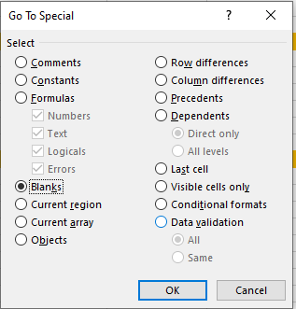

 |  | Task 2: Apply the technique to find and replace blank cells.

 |  | Order ID | Order Date | Ship Date | Ship Mode | Customer ID | Customer Name | Segment
 |  | CA-2015-160059 | 2015-11-27 | 2015-12-01 | Standard Class | TB-21190 | Thomas Brumley | Home Office
 |  | US-2017-168690 | 2017-01-07 | 2017-01-13 | Standard Class | TS-21085 | Thais Sissman | Consumer
 |  | 0 | 2017-07-28 | 2017-08-01 | Standard Class | MH-17620 | Matt Hagelstein | Corporate
 |  | US-2014-150119 | 2014-04-23 | 2014-04-27 | Standard Class | LB-16795 | Laurel Beltran | Home Office
 |  | CA-2017-131212 | 2017-12-05 | 2017-12-09 | Standard Class | AB-10165 | Alan Barnes | Consumer
 |  | 0 | 2016-12-29 | 2017-01-03 | Standard Class | MP-17965 | Michael Paige | Corporate
 |  | US-2016-158309 | 2016-11-26 | 2016-11-29 | First Class | PA-19060 | Pete Armstrong | Home Office
 |  | CA-2014-138709 | 2014-07-04 | 2014-07-09 | Standard Class | MS-17770 | Maxwell Schwartz | Consumer

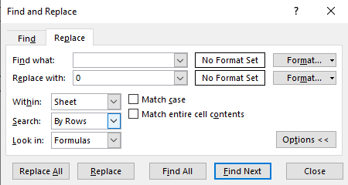

 |  | Task 3: Use Go To (Special) to highlight cells with formulas.

 |  | Order ID | Order Date | Ship Date | Ship Mode | Customer ID | Customer Name | Segment
 |  | CA-2015-160059 | 2015-11-27 | 2015-12-01 | Standard Class | TB-21190 | Thomas Brumley | Home Office
 |  | US-2017-168690 | 2017-01-07 | 2017-01-13 | Standard Class | TS-21085 | Thais Sissman | Consumer
 |  | #NAME? | 2017-07-28 | 2017-08-01 | Standard Class | MH-17620 | Matt Hagelstein | Corporate
 |  | US-2014-150119 | 2014-04-23 | 2014-04-27 | Standard Class | LB-16795 | Laurel Beltran | Home Office
 |  | CA-2017-131212 | 2017-12-05 | 2017-12-09 | Standard Class | AB-10165 | Alan Barnes | Consumer
 |  | #VALUE! | 2016-12-29 | 2017-01-03 | Standard Class | MP-17965 | Michael Paige | Corporate
 |  | US-2016-158309 | 2016-11-26 | 2016-11-29 | First Class | PA-19060 | Pete Armstrong | Home Office
 |  | CA-2014-138709 | 2014-07-04 | 2014-07-09 | Standard Class | MS-17770 | Maxwell Schwartz | Consumer

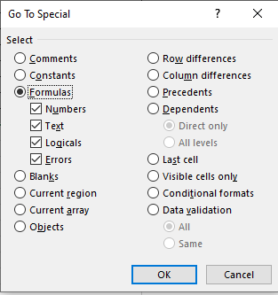

 |  | Task 4: Select cells with conditional formatting using Go To (Special).

 |  | Order ID | Order Date | Ship Date | Ship Mode | Customer ID | Customer Name | Segment
 |  | CA-2015-160059 | 2015-11-27 | 2015-12-01 | Standard Class | TB-21190 | Thomas Brumley | Home Office
 |  | US-2017-168690 | 2017-01-07 | 2017-01-13 | Standard Class | TS-21085 | Thais Sissman | Consumer
 |  | US-2017-168691 | 2017-07-28 | 2017-08-01 | Standard Class | MH-17620 | Matt Hagelstein | Corporate
 |  | US-2014-150119 | 2014-04-23 | 2014-04-27 | Standard Class | LB-16795 | Laurel Beltran | Home Office
 |  | CA-2017-131212 | 2017-12-05 | 2017-12-09 | Standard Class | AB-10165 | Alan Barnes | Consumer
 |  | CA-2017-131213 | 2016-12-29 | 2017-01-03 | Standard Class | MP-17965 | Michael Paige | Corporate
 |  | US-2016-158309 | 2016-11-26 | 2016-11-29 | First Class | PA-19060 | Pete Armstrong | Home Office
 |  | CA-2014-138709 | 2014-07-04 | 2014-07-09 | Standard Class | MS-17770 | Maxwell Schwartz | Consumer

 |  | Task 5: Explain the benefits of using Go To (Special) for data cleaning.

 |  | No need to scroll through thousands of rows manually.
 |  | Helps you target only the cells that need attention.
 |  | Enables batch actions like formatting, deleting, or replacing values.
 |  | Ensures cleaner, more reliable data for analysis and reporting.

 | Splitting Data Values Using Text to Column Feature

 |  | Task 1: Create a dataset with concatenated text values (e.g., "FirstName LastName").

 |  | First Name | Last Name
 |  | Thomas | Brumley
 |  | Thais | Sissman
 |  | Matt | Hagelstein
 |  | Laurel | Beltran
 |  | Alan | Barnes
 |  | Michael | Paige
 |  | Pete | Armstrong
 |  | Maxwell | Schwartz
 |  | Sonia | Cooley

 |  | Task 2: Use the Text to Columns feature to split the data into separate columns.
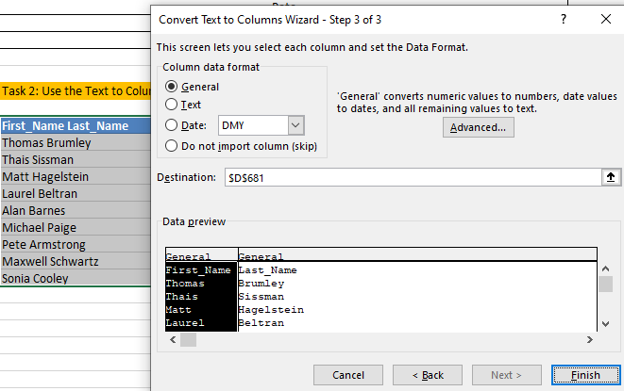
 |  | First_Name | Last_Name
 |  | Thomas | Brumley
 |  | Thais | Sissman
 |  | Matt | Hagelstein
 |  | Laurel | Beltran
 |  | Alan | Barnes
 |  | Michael | Paige
 |  | Pete | Armstrong
 |  | Maxwell | Schwartz
 |  | Sonia | Cooley

 |  | Task 3: Experiment with different delimiters (e.g., space, comma).
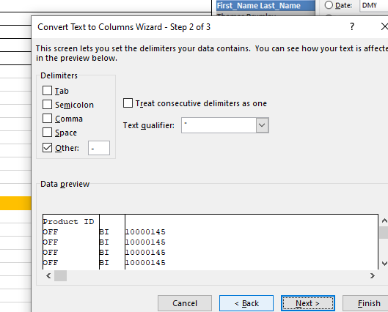
 |  | Product ID
 |  | OFF | BI | 10000145
 |  | OFF | BI | 10000145
 |  | OFF | BI | 10000145
 |  | OFF | BI | 10000145
 |  | OFF | BI | 10000145
 |  | OFF | BI | 10000145
 |  | OFF | BI | 10000145
 |  | OFF | BI | 10000145
 |  | OFF | BI | 10000145

 |  | Task 4: Apply Text to Columns to a larger dataset for practice.

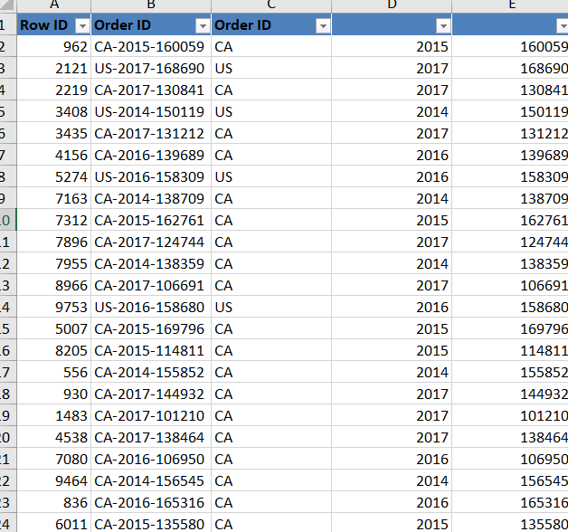
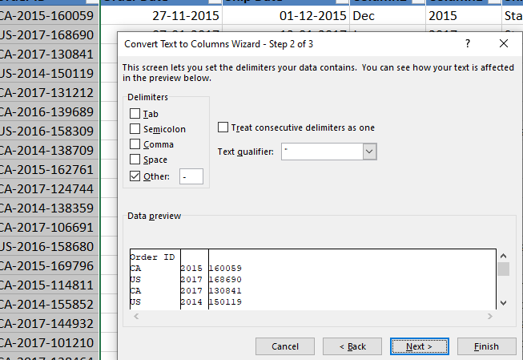

 |  | Task 5: Explain the advantages of using Text to Columns for data manipulation.

 |  | Splits data instantly without formulas or Complex tools.
 |  | Supports Commas, Space, tabs and many custome character
 |  | Splitting data based on Character Position
 |  | its shows preview before finish in Text to Column Wizard

 | Using CONCATENATE and Ampersand (&) to Join Values

 |  | Task 1: Create a dataset with separate first and last names.

 |  | First Name | Last Name
 |  | Thomas | Brumley
 |  | Thais | Sissman
 |  | Matt | Hagelstein
 |  | Laurel | Beltran
 |  | Alan | Barnes
 |  | Michael | Paige
 |  | Pete | Armstrong
 |  | Maxwell | Schwartz
 |  | Sonia | Cooley

 |  | Task 2: Use the CONCATENATE function to join first and last names.

 |  | First Name | Last Name | Full Name
 |  | Thomas | Brumley | Thomas Brumley | =CONCATENATE(D377," ",E377)
 |  | Thais | Sissman | Thais Sissman | =CONCATENATE(D378," ",E378)
 |  | Matt | Hagelstein | Matt Hagelstein | =CONCATENATE(D379," ",E379)
 |  | Laurel | Beltran | Laurel Beltran | =CONCATENATE(D380," ",E380)
 |  | Alan | Barnes | Alan Barnes | =CONCATENATE(D381," ",E381)
 |  | Michael | Paige | Michael Paige | =CONCATENATE(D382," ",E382)
 |  | Pete | Armstrong | Pete Armstrong | =CONCATENATE(D383," ",E383)
 |  | Maxwell | Schwartz | Maxwell Schwartz | =CONCATENATE(D384," ",E384)
 |  | Sonia | Cooley | Sonia Cooley | =CONCATENATE(D385," ",E385)

 |  | Task 3: Apply the ampersand (&) operator to achieve the same result.

 |  | First Name | Last Name | Full Name
 |  | Thomas | Brumley | Thomas Brumley | =D391&" "&E391
 |  | Thais | Sissman | Thais Sissman | =D392&" "&E392
 |  | Matt | Hagelstein | Matt Hagelstein | =D393&" "&E393
 |  | Laurel | Beltran | Laurel Beltran | =D394&" "&E394
 |  | Alan | Barnes | Alan Barnes | =D395&" "&E395
 |  | Michael | Paige | Michael Paige | =D396&" "&E396
 |  | Pete | Armstrong | Pete Armstrong | =D397&" "&E397
 |  | Maxwell | Schwartz | Maxwell Schwartz | =D398&" "&E398
 |  | Sonia | Cooley | Sonia Cooley | =D399&" "&E399

 |  | Task 4: Compare the CONCATENATE function and ampersand (&) operator.

 |  | CONCATENATE Function | AMPERSAND Operator
 |  | Syn = CONCATENATE(R1, " ", R2) | Syn = R1 &" "& R2
 |  | Longer Formula Length | Easier to type
 |  | Structured Joins with Many Arguments | Quick Joins, inline Logic

 |  | Task 5: Explain when to use CONCATENATE vs ampersand (&).

 |  | CONCATENATE Function | AMPERSAND Operator
 |  | Easier to read while combining many values. | For Building Custom Labels or Messages
 |  | Use CONCATENATE if you're working in older Excel versions or prefer function-style syntax. | Use & for quick, flexible joins.
 |  | Structured Joins with Many Arguments | Quick Joins, inline Logic

 | Using Find & Replace Feature

 |  | Task 1: Create a dataset with various instances of specific text (e.g., product codes).

 |  | Order ID | Postal Code | Product ID | Product Name
 |  | CA-2015-160059 | 72701 | OFF-AI-10000145 | Zipper Ring Binder Pockets
 |  | US-2017-168690 | 32174 | OFF-AI-10000145 | Zipper Ring Binder Pockets
 |  | CA-2017-130841 | 94110 | OFF-AI-10000145 | Zipper Ring Binder Pockets
 |  | US-2014-150119 | 43229 | OFF-AI-10000145 | Zipper Ring Binder Pockets
 |  | CA-2017-131212 | 98006 | OFF-AI-10000145 | Zipper Ring Binder Pockets
 |  | CA-2016-139689 | 37620 | OFF-AI-10000145 | Zipper Ring Binder Pockets
 |  | US-2016-158309 | 33142 | OFF-AI-10000145 | Zipper Ring Binder Pockets
 |  | CA-2014-138709 | 23223 | OFF-AI-10000145 | Zipper Ring Binder Pockets
 |  | CA-2015-162761 | 33178 | OFF-AI-10000145 | Zipper Ring Binder Pockets

 |  | Task 2: Use the Find feature to locate all instances of a specific text.

 |  | Order ID | Postal Code | Product ID | Product Name
 |  | CA-2015-160059 | 72701 | OFF-AI-10000145 | Zipper Ring Binder Pockets
 |  | US-2017-168690 | 32174 | OFF-AI-10000178 | Ring Binder Pockets
 |  | CA-2017-130841 | 94110 | OFF-AI-10000198 | Zipper Ring Pockets
 |  | US-2014-150119 | 43229 | OFF-AI-10000145 | Zipper Ring Pockets
 |  | CA-2017-131212 | 98006 | OFF-AI-10000189 | Zipper Ring
 |  | CA-2016-139689 | 37620 | OFF-AI-10000145 | Zipper Ring Binder Pockets
 |  | US-2016-158309 | 33142 | OFF-AI-10000178 | Ring Binder Pockets
 |  | CA-2014-138709 | 23223 | OFF-AI-10000155 | Zipper Ring Pockets
 |  | CA-2015-162761 | 33178 | OFF-AI-10000176 | Zipper Ring Pockets
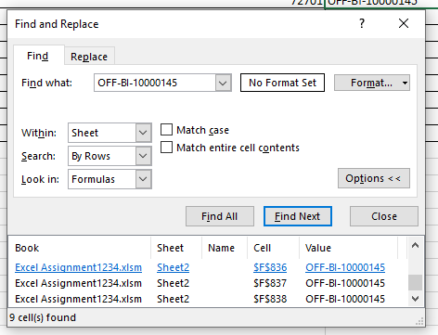

 |  | Task 3: Apply the Replace feature to change all instances of a specific text.

 |  | Order ID | Postal Code | Product ID | Product Name
 |  | CA-2015-160059 | 72701 | OFF-AI-10000145 | Zipper Ring Binder Pockets
 |  | US-2017-168690 | 32174 | OFF-AI-10000178 | Ring Binder Pockets
 |  | CA-2017-130841 | 94110 | OFF-AI-10000198 | Zipper Ring Pockets
 |  | US-2014-150119 | 43229 | OFF-AI-10000145 | Zipper Ring Pockets
 |  | CA-2017-131212 | 98006 | OFF-AI-10000189 | Zipper Ring
 |  | CA-2016-139689 | 37620 | OFF-AI-10000145 | Zipper Ring Binder Pockets
 |  | US-2016-158309 | 33142 | OFF-AI-10000178 | Ring Binder Pockets
 |  | CA-2014-138709 | 23223 | OFF-AI-10000155 | Zipper Ring Pockets
 |  | CA-2015-162761 | 33178 | OFF-AI-10000176 | Zipper Ring Pockets

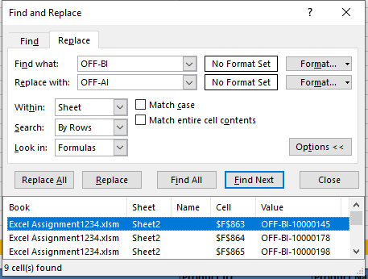

 |  | Task 4: Experiment with finding and replacing text using wildcards

 |  | Order ID | Postal Code | Product ID | Product Name
 |  | CA-2015-160059 | 72701 | OFF-AI-10000145 | Zipper Ring Binder Pockets
 |  | US-2017-168690 | 32174 | OFF-AI-10000178 | Ring Binder Pockets
 |  | CA-2017-130841 | 94110 | OFF-AI-10000198 | Zipper Ring Pockets
 |  | US-2014-150119 | 43229 | OFF-AI-10000145 | Zipper Ring Pockets
 |  | CA-2017-131212 | 98006 | OFF-AI-10000189 | Zipper Ring
 |  | CA-2016-139689 | 37620 | OFF-AI-10000145 | Zipper Ring Binder Pockets
 |  | US-2016-158309 | 33142 | OFF-AI-10000178 | Ring Binder Pockets
 |  | CA-2014-138709 | 23223 | OFF-AI-10000155 | Zipper Ring Pockets
 |  | CA-2015-162761 | 33178 | OFF-AI-10000176 | Zipper Ring Pockets

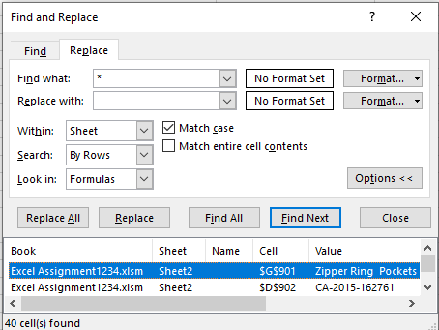

 |  | Task 5: Explain the benefits of using Find & Replace for data cleaning.

 |  | Instantly Update thosands of entires without manual edits
 |  | easily use Wildcard to target pattern
 |  | Replace values across entire Sheet
 |  | also works on Formula

Sec 7.3
Pivot Table for Grouping Via Date, Blank Cells

 | Task 1: Group sales data by date in the Pivot Table. |  | Task 2: Handle blank cells in the Pivot Table. |  | Task 3: Analyze the impact of blank cells on data grouping. | Task 4: Use different date formats for grouping data. |  | Task 5: Explain the importance of managing blank cells in Pivot Table analysis.
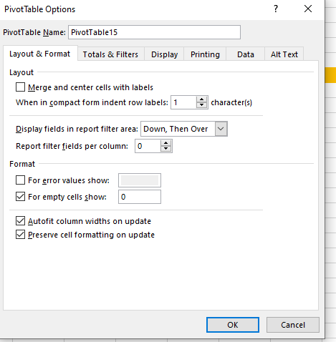
 | Row Labels | Sum of Sales | Row Labels | Sum of Sales | Distorts averages/sums -> Always replace blanks before analysis | Row Labels | Sum of Sales | Prevents miscalculations in totals
 | Jan | 94924.8356 | Jan | 94924.8356 |  | Jan | 109456.6894 | Ensures uniform reporting
 | Feb | 59751.2514 | Feb | 59751.2514 |  | Feb | 68546.4724
 | Mar | 205005.4888 | Mar | 205005.4888 |  | Mar | 191665.306
 | Apr | 137762.1286 | Apr | 137762.1286 |  | Apr | 136953.6968
 | May | 155028.8117 | May | 155028.8117 |  | May | 146361.9499
 | Jun | 152718.6793 | Jun | 152718.6793 |  | Jun | 161335.7057
 | Jul | 147238.097 | Jul | 147238.097 |  | Jul | 148170.641
 | Aug | 159044.063 | Aug | 159044.063 |  | Aug | 154153.1555
 | Sep | 307649.9457 | Sep | 307649.9457 |  | Sep | 304631.1559
 | Oct | 200322.9847 | Oct | 200322.9847 |  | Oct | 204727.053
 | Nov | 352461.071 | Nov | 352461.071 |  | Nov | 330681.7425
 | Dec | 325293.5035 | Dec | 325293.5035 |  | Dec | 340517.2922
 | Grand Total | 2297200.8603 | Grand Total | 2297200.8603 |  | Grand Total | 2297200.8603

Sec 7.4
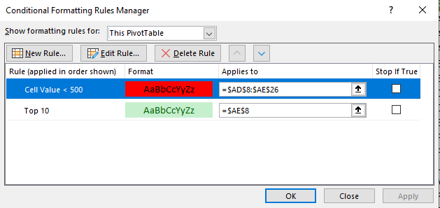
Custom Grouping, Conditional Formatting in Pivot Table

 | Task 1: Create custom groups in the Pivot Table (e.g., grouping products by category). |  | Task 2: Apply conditional formatting to highlight key data points. |  |  | Task 3: Experiment with different conditional formatting rules. |  |  |  | Task 4: Use custom grouping to create a more detailed data analysis. | Task 5: Explain how custom grouping and conditional formatting enhance Pivot Table analysis.

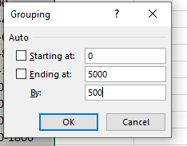
 |  |  | Row Labels | Sum of Sales |  | Row Labels | Sum of Profit | Row Labels | Sum of Quantity | Row Labels | Custom Groups -> Tailored categories (e.g. High-Value Products)
 | Row Labels | Sum of Profit | Accessories | 167380.318 |  | Accessories | 41936.6357 | Accessories | 2976 | -6599.978--1599.978 | Conditional Formatting -> Instant visual cues (red = low, green = high)
 | Furniture | 18451.2728 | Appliances | 107532.161 |  | Appliances | 18138.0054 | Appliances | 1729 | -1599.978-3400.022 | Dynamic Updates -> Groups/formatting adjust when data refreshes.
 | Office Supplies | 122490.8008 | Art | 27118.792 |  | Art | 6527.787 | Art | 3000 | 3400.022-8400.022
 | Technology | 145454.9481 | Binders | 203412.733 | Top 10 Sales By Sub-Category | Binders | 30221.7633 | Binders | 5974 | Grand Total
 | Grand Total | 286397.0217 | Bookcases | 114879.9963 |  | Bookcases | -3472.556 | Bookcases | 868
 |  |  | Chairs | 328449.103 |  | Chairs | 26590.1663 | Chairs | 2356
 |  |  | Copiers | 149528.03 |  | Copiers | 55617.8249 | Copiers | 234
 |  |  | Envelopes | 16476.402 |  | Envelopes | 6964.1767 | Envelopes | 906
 |  |  | Fasteners | 3024.28 |  | Fasteners | 949.5182 | Fasteners | 914
 |  |  | Furnishings | 91705.164 |  | Furnishings | 13059.1436 | Furnishings | 3563
 |  |  | Labels | 12486.312 |  | Labels | 5546.254 | Labels | 1400
 |  |  | Machines | 189238.631 |  | Machines | 3384.7569 | Machines | 440
 |  |  | Paper | 78479.206 |  | Paper | 34053.5693 | Paper | 5178
 |  |  | Phones | 330007.054 |  | Phones | 44515.7306 | Phones | 3289
 |  |  | Storage | 223843.608 |  | Storage | 21278.8264 | Storage | 3158
 |  |  | Supplies | 46673.538 |  | Supplies | -1189.0995 | Supplies | 647
 |  |  | Tables | 206965.532 |  | Tables | -17725.4811 | Tables | 1241
 |  |  | Grand Total | 2297200.8603 |  | Grand Total | 286397.0217 | Grand Total | 37873

Sec 12
Section 12: Basics of Macros

 | What is VBA Macros?

 |  | Task 1: Research and write a brief explanation of what VBA Macros are.

 |  | VBA stands for Visual Basic for Applications.
 |  | Macros are automated scripts used to perform repetitive tasks in Excel.
 |  | They are written in the VBA programming language.
 |  | Users can create macros by: Recording actions using the Macro Recorder. Writing code manually in the Visual Basic Editor (VBE).
 |  | Macros can automate tasks like formatting, calculations, and data entry.
 |  | They improve efficiency, accuracy, and productivity.
 |  | Common in business, finance, and data analysis workflows.

 |  | Task 2: List the advantages and disadvantages of using VBA Macros.

 |  | Advantages | Disadvantages
 |  | Automates repetitive tasks, saving time and effort | Requires basic knowledge of VBA programming
 |  | Reduces human error by ensuring consistent execution | no Ctrl + Z/ UnDo Works
 |  | Speeds up complex operations with a single click | May pose security risks if sourced from untrusted files
 |  | Can be customized to suit specific business needs | Not supported in Excel Online or on all platforms
 |  | Enhances productivity, especially in data-heavy tasks | Can increase file size and slow down performance

 |  | Task 3: Identify scenarios where VBA Macros can be particularly useful.

 |  | Automating Repetitive Tasks - Formatting reports, copying data, or generating monthly summaries with one click.
 |  | Data Cleaning and Transformation - Removing duplicates, splitting text, or standardizing formats across large datasets.
 |  | Generating Custom Reports - Creating dashboards or exporting filtered data into printable formats automatically.
 |  | Batch Processing - Updating multiple sheets, renaming tabs, or applying formulas across workbooks.
 |  | Interacting with Other Applications - Sending emails via Outlook or importing data from Access or Word.
 |  | Creating User Forms and Interfaces - Building custom input forms for data entry or validation.
 |  | Automated Alerts and Notifications - Triggering pop-up messages or warnings based on specific conditions.

 |  | Task 4: Explain the difference between recording a macro and writing VBA code.

 |  | Recording a Macro | Writing VBA Code
 |  | Excel records your actions & converts them into VBA code | We manually write instructions using the VBA programming language
 |  | No coding knowledge is needed | Requires basic coding skills
 |  | Best for simple, repetitive tasks | Offers more flexibility, logic, and customization.
 |  | Recording is quick and easy, while writing VBA gives you more control and power.

 |  | Task 5: Describe the security considerations when using VBA Macros.

 |  | Macros can carry malicious code that harms your system or steals data
 |  | Never enable macros from unknown or untrusted sources.
 |  | Sign your macros to prove authenticity and prevent tampering.
 |  | Lock your VBA project to prevent unauthorized access or edits.
 |  | Users should be trained to recognize macro warnings and avoid risky files.
 |  | Use Excel’s Trust Center to disable or restrict macros by default.
 |  | Store macro-enabled files in secure, approved folders.

 | How to Enable Developer Tab in Excel?

 |  | Task 1: Enable the Developer tab in Excel by customizing the ribbon.

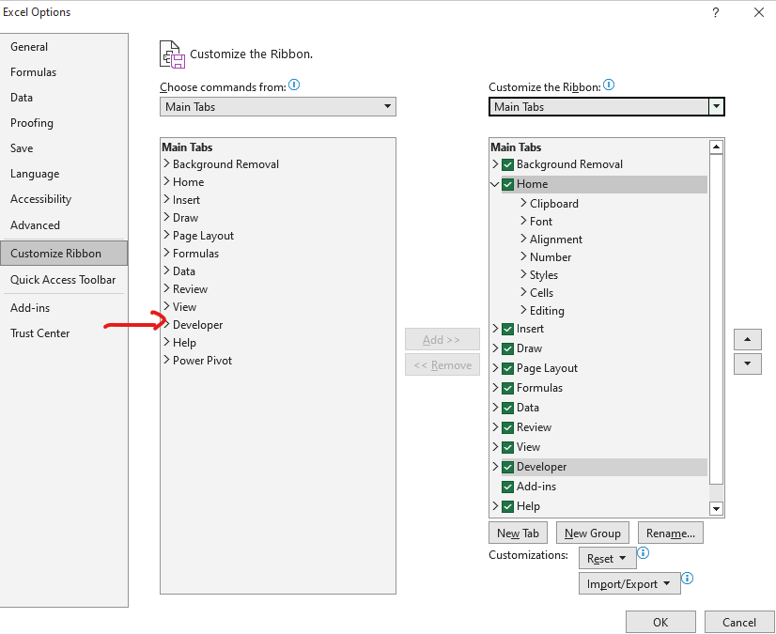

 |  | Task 2: Explore the different options available in the Developer tab.

 |  | Code - Visual Basic, Macros, Record Macro, Use Relative References, Macro Security
 |  | Add-ins - Manage Excel and COM add-ins like Solver or Analysis ToolPak
 |  | Controls - Insert Form Controls (e.g., buttons, combo boxes)
 |  | XML - Import/export XML data.

 |  | Task 3: Write a step-by-step guide on how to enable and use the Developer tab.

 |  | Steps for Opning Developer Option
 |  | File -> Options-> Excel Options -> Customize Ribbon -> Main tab -> Developer

 |  | Uses of Developer Option
 |  | 1. Visual Basic: Opens the VBA editor to write or edit code.
 |  | 2. Record Macro: Automatically records your actions as VBA code.
 |  | 3. Macros: View, run, or delete saved macros.
 |  | 4. Insert Controls: Add buttons, checkboxes, and other form elements.
 |  | 5. Design Mode: Edit or configure inserted controls.
 |  | 6. Add-ins: Manage Excel and COM add-ins like Solver.
 |  | 7. XML Tools: Import/export XML data and manage XML maps

 |  | Task 4: Explain the importance of the Developer tab for advanced Excel users.

 |  | 1. The Developer tab allows users to write and manage VBA (Visual Basic for Applications) code, enabling automation of repetitive tasks and creation of custom functions.
 |  | 2. Users can record macros to capture routine actions and later edit them for more flexibility, saving time and reducing errors.
 |  | 3. It provides tools to insert buttons, combo boxes, and checkboxes, which are essential for building interactive dashboards and user forms.
 |  | 4. The Developer tab unlocks Excel’s full potential, making it an essential tool for power users, analysts, and developer

 |  | Task 5: List the key features accessible through the Developer tab.

 |  | 1. Visual Basic: Opens the VBA editor to write or edit code.
 |  | 2. Record Macro: Automatically records your actions as VBA code.
 |  | 3. Macros: View, run, or delete saved macros.
 |  | 4. Insert Controls: Add buttons, checkboxes, and other form elements.
 |  | 5. Design Mode: Edit or configure inserted controls.
 |  | 6. Add-ins: Manage Excel and COM add-ins like Solver.
 |  | 7. XML Tools: Import/export XML data and manage XML maps

 | Creating, Running and Saving a Macro

 |  | Task 1: Record a simple macro to automate a repetitive task (e.g., formatting a table).

 |  | Row ID | Order ID | Order Date | Ship Date | Month | Year | Ship Mode | Customer ID | Customer Name | Segment | Country | City | State | Postal Code | Region | Product ID | Category | Sub-Category | Product Name | Sales | Quantity | Discount | Profit
 |  | 1 | CA-2016-152156 | 2016-11-08 | 2016-11-11 | Nov | 2016 | Second Class | CG-12520 | Claire Gute | Consumer | United States | Henderson | Kentucky | 42420 | South | FUR-BO-10001798 | Furniture | Bookcases | Bush Somerset Collection Bookcase | 261.96 | 2 | 0 | 41.9136
 |  | 2 | CA-2016-152156 | 2016-11-08 | 2016-11-11 | Nov | 2016 | Second Class | CG-12520 | Claire Gute | Consumer | United States | Henderson | Kentucky | 42420 | South | FUR-CH-10000454 | Furniture | Chairs | Hon Deluxe Fabric Upholstered Stacking Chairs, Rounded Back | 731.94 | 3 | 0 | 219.582
 |  | 3 | CA-2016-138688 | 2016-06-12 | 2016-06-16 | Jun | 2016 | Second Class | DV-13045 | Darrin Van Huff | Corporate | United States | Los Angeles | California | 90036 | West | OFF-LA-10000240 | Office Supplies | Labels | Self-Adhesive Address Labels for Typewriters by Universal | 14.62 | 2 | 0 | 6.8714
 |  | 4 | US-2015-108966 | 2015-10-11 | 2015-10-18 | Oct | 2015 | Standard Class | SO-20335 | Sean O'Donnell | Consumer | United States | Fort Lauderdale | Florida | 33311 | South | FUR-TA-10000577 | Furniture | Tables | Bretford CR4500 Series Slim Rectangular Table | 957.5775 | 5 | 0.45 | -383.031
 |  | 5 | US-2015-108966 | 2015-10-11 | 2015-10-18 | Oct | 2015 | Standard Class | SO-20335 | Sean O'Donnell | Consumer | United States | Fort Lauderdale | Florida | 33311 | South | OFF-ST-10000760 | Office Supplies | Storage | Eldon Fold 'N Roll Cart System | 22.368 | 2 | 0.2 | 2.5164
 |  | 6 | CA-2014-115812 | 2014-06-09 | 2014-06-14 | Jun | 2014 | Standard Class | BH-11710 | Brosina Hoffman | Consumer | United States | Los Angeles | California | 90032 | West | FUR-FU-10001487 | Furniture | Furnishings | Eldon Expressions Wood and Plastic Desk Accessories, Cherry Wood | 48.86 | 7 | 0 | 14.1694
 |  | 7 | CA-2014-115812 | 2014-06-09 | 2014-06-14 | Jun | 2014 | Standard Class | BH-11710 | Brosina Hoffman | Consumer | United States | Los Angeles | California | 90032 | West | OFF-AR-10002833 | Office Supplies | Art | Newell 322 | 7.28 | 4 | 0 | 1.9656
 |  | 8 | CA-2014-115812 | 2014-06-09 | 2014-06-14 | Jun | 2014 | Standard Class | BH-11710 | Brosina Hoffman | Consumer | United States | Los Angeles | California | 90032 | West | TEC-PH-10002275 | Technology | Phones | Mitel 5320 IP Phone VoIP phone | 907.152 | 6 | 0.2 | 90.7152
 |  | 9 | CA-2014-115812 | 2014-06-09 | 2014-06-14 | Jun | 2014 | Standard Class | BH-11710 | Brosina Hoffman | Consumer | United States | Los Angeles | California | 90032 | West | OFF-BI-10003910 | Office Supplies | Binders | DXL Angle-View Binders with Locking Rings by Samsill | 18.504 | 3 | 0.2 | 5.7825
 |  | 10 | CA-2014-115812 | 2014-06-09 | 2014-06-14 | Jun | 2014 | Standard Class | BH-11710 | Brosina Hoffman | Consumer | United States | Los Angeles | California | 90032 | West | OFF-AP-10002892 | Office Supplies | Appliances | Belkin F5C206VTEL 6 Outlet Surge | 114.9 | 5 | 0 | 34.47
 |  |  |  |  |  |  |  |  |  |  |  |  |  |  |  |  |  |  |  |  | 3085.1615 | 39 | 1.05 | 34.9551

 |  | Task 2: Run the recorded macro and observe its effects.

 |  | Row ID | Order ID | Order Date | Ship Date | Month | Year | Ship Mode | Customer ID | Customer Name | Segment | Country | City | State | Postal Code | Region | Product ID | Category | Sub-Category | Product Name | Sales | Quantity | Discount | Profit
 |  | 1 | CA-2016-152156 | 2016-11-08 | 2016-11-11 | Nov | 2016 | Second Class | CG-12520 | Claire Gute | Consumer | United States | Henderson | Kentucky | 42420 | South | FUR-BO-10001798 | Furniture | Bookcases | Bush Somerset Collection Bookcase | 261.96 | 2 | 0 | 41.9136
 |  | 2 | CA-2016-152156 | 2016-11-08 | 2016-11-11 | Nov | 2016 | Second Class | CG-12520 | Claire Gute | Consumer | United States | Henderson | Kentucky | 42420 | South | FUR-CH-10000454 | Furniture | Chairs | Hon Deluxe Fabric Upholstered Stacking Chairs, Rounded Back | 731.94 | 3 | 0 | 219.582
 |  | 3 | CA-2016-138688 | 2016-06-12 | 2016-06-16 | Jun | 2016 | Second Class | DV-13045 | Darrin Van Huff | Corporate | United States | Los Angeles | California | 90036 | West | OFF-LA-10000240 | Office Supplies | Labels | Self-Adhesive Address Labels for Typewriters by Universal | 14.62 | 2 | 0 | 6.8714
 |  | 4 | US-2015-108966 | 2015-10-11 | 2015-10-18 | Oct | 2015 | Standard Class | SO-20335 | Sean O'Donnell | Consumer | United States | Fort Lauderdale | Florida | 33311 | South | FUR-TA-10000577 | Furniture | Tables | Bretford CR4500 Series Slim Rectangular Table | 957.5775 | 5 | 0.45 | -383.031
 |  | 5 | US-2015-108966 | 2015-10-11 | 2015-10-18 | Oct | 2015 | Standard Class | SO-20335 | Sean O'Donnell | Consumer | United States | Fort Lauderdale | Florida | 33311 | South | OFF-ST-10000760 | Office Supplies | Storage | Eldon Fold 'N Roll Cart System | 22.368 | 2 | 0.2 | 2.5164
 |  | 6 | CA-2014-115812 | 2014-06-09 | 2014-06-14 | Jun | 2014 | Standard Class | BH-11710 | Brosina Hoffman | Consumer | United States | Los Angeles | California | 90032 | West | FUR-FU-10001487 | Furniture | Furnishings | Eldon Expressions Wood and Plastic Desk Accessories, Cherry Wood | 48.86 | 7 | 0 | 14.1694
 |  | 7 | CA-2014-115812 | 2014-06-09 | 2014-06-14 | Jun | 2014 | Standard Class | BH-11710 | Brosina Hoffman | Consumer | United States | Los Angeles | California | 90032 | West | OFF-AR-10002833 | Office Supplies | Art | Newell 322 | 7.28 | 4 | 0 | 1.9656
 |  | 8 | CA-2014-115812 | 2014-06-09 | 2014-06-14 | Jun | 2014 | Standard Class | BH-11710 | Brosina Hoffman | Consumer | United States | Los Angeles | California | 90032 | West | TEC-PH-10002275 | Technology | Phones | Mitel 5320 IP Phone VoIP phone | 907.152 | 6 | 0.2 | 90.7152
 |  | 9 | CA-2014-115812 | 2014-06-09 | 2014-06-14 | Jun | 2014 | Standard Class | BH-11710 | Brosina Hoffman | Consumer | United States | Los Angeles | California | 90032 | West | OFF-BI-10003910 | Office Supplies | Binders | DXL Angle-View Binders with Locking Rings by Samsill | 18.504 | 3 | 0.2 | 5.7825
 |  | 10 | CA-2014-115812 | 2014-06-09 | 2014-06-14 | Jun | 2014 | Standard Class | BH-11710 | Brosina Hoffman | Consumer | United States | Los Angeles | California | 90032 | West | OFF-AP-10002892 | Office Supplies | Appliances | Belkin F5C206VTEL 6 Outlet Surge | 114.9 | 5 | 0 | 34.47
 |  |  |  |  |  |  |  |  |  |  |  |  |  |  |  |  |  |  |  |  | 3085.1615 | 39 | 1.05 | 34.9551

 |  | Task 3: Save the macro in the Personal Macro Workbook for future use.
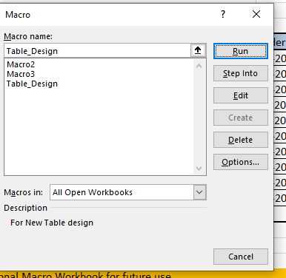

 |  | Task 4: Edit the recorded macro to add or change functionality.
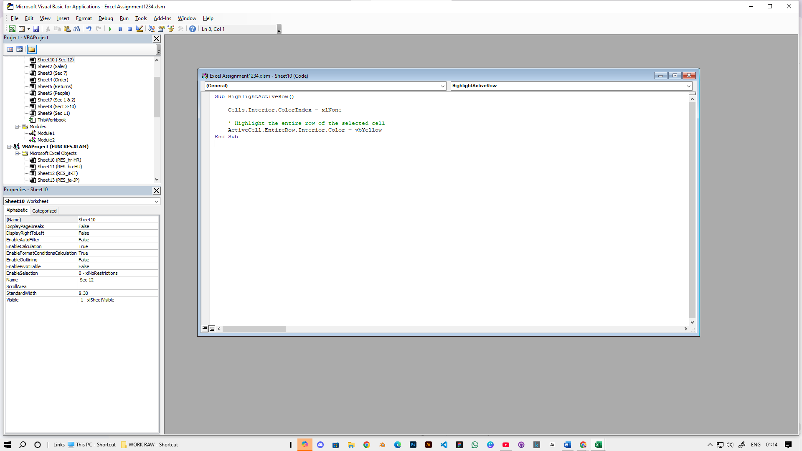

 |  | Task 5: Explain the process and benefits of recording and saving macros.

 |  | Process of Recording & Saving Macros:

 |  | Start Recording: -> Open the "Record Macro" feature (e.g., in Excel: View tab > Macros > Record Macro). -> Name the macro & assign a shortcut key (optional).
 |  | Perform Actions: -> Execute every exact step you want to automate (typing, formatting, calculations, etc.). -> The software translates your actions into code in real-time.
 |  | Stop Recording: -> Click "Stop Recording" when finished.
 |  | Save Correctly: -> Crucial: Save the file as a Macro-Enabled Format: -> Excel: .xlsm (not regular .xlsx). -> Word: .docm (not regular .docx). -> Regular formats delete macros upon saving.

 |  | Benefits

 |  | Saves Massive Time: Automates complex/repetitive tasks with one click or keystroke. Reduces Errors: Eliminates manual mistakes from repeating steps. Ensures Consistency: Performs the task identically every single time. No Coding Needed: Accessible to users who don't know programming (VBA). Increases Efficiency: Frees up time for more valuable work.

 | Running a Macro in Different Ways

 |  | Task 1: Assign a macro to a button on the worksheet and run it.

 |  | Task 2: Run a macro using a keyboard shortcut.

 |  | CTRL + Q Starts Macro

 |  | Task 3: Execute a macro from the Developer tab.
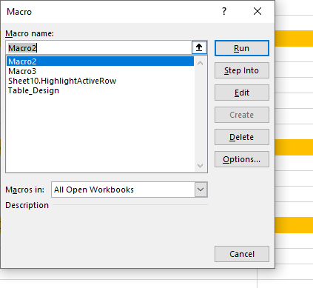

 |  | Task 4: Run a macro automatically when a workbook is opened.

 |  | Private Sub Workbook_Open() Call YourMacroName ' Replace with your macro's name ' Or directly write the code here: MsgBox "Workbook opened!", vbInformation End Sub

 |  | Task 5: Explain the different methods of running macros and their use cases.

 |  | 1. Manual Execution - Developer -> Macros -> Run Best For: Testing new macros One-time tasks (e.g., monthly report formatting)
 |  | 2. Button/Shape Click- Developer → Insert → Button or Insert → Shapes Best For: Dashboards or shared files Non-technical users
 |  | 3. Keyboard Shortcut - Best For: Repetitive tasks (e.g., data cleaning) Power users who prefer keyboard over mouse
 |  | 4. Automatic Triggers - Best For: Auto-formatting new data Real-time validation
 |  | 5. Ribbon Menu - File → Options → Customize Ribbon Best For: Frequently used macros in personal workbooks Team workflows with standardized tools

 | Understanding VBA Workspace

 |  | Task 1: Open the Visual Basic for Applications (VBA) editor
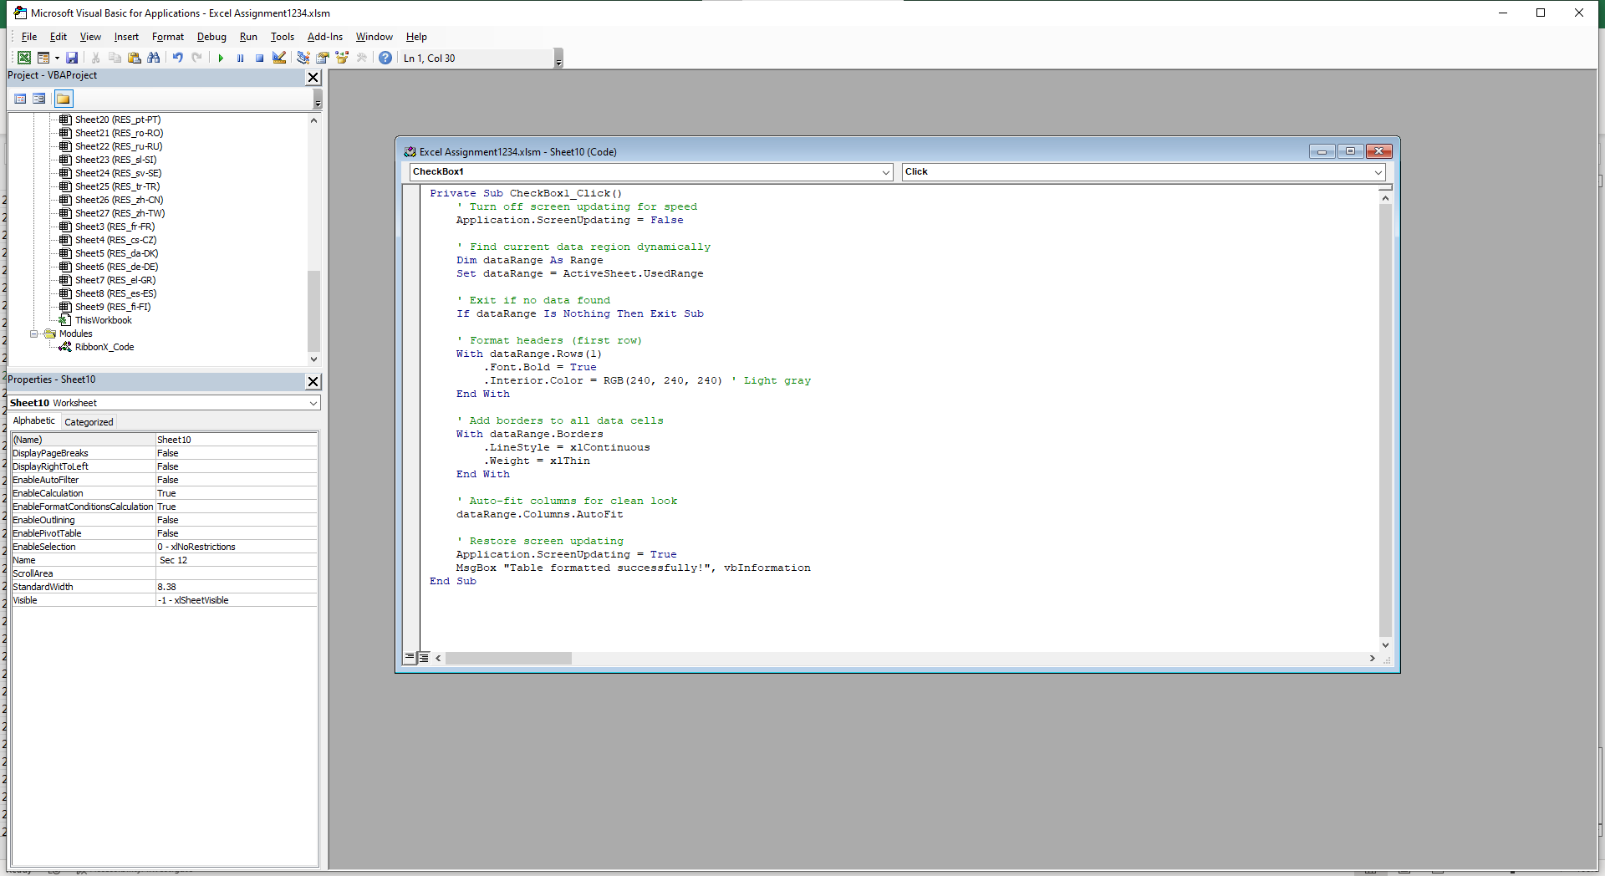

 |  | Task 2: Explore the different components of the VBA workspace (e.g., Project Explorer, Code Window).

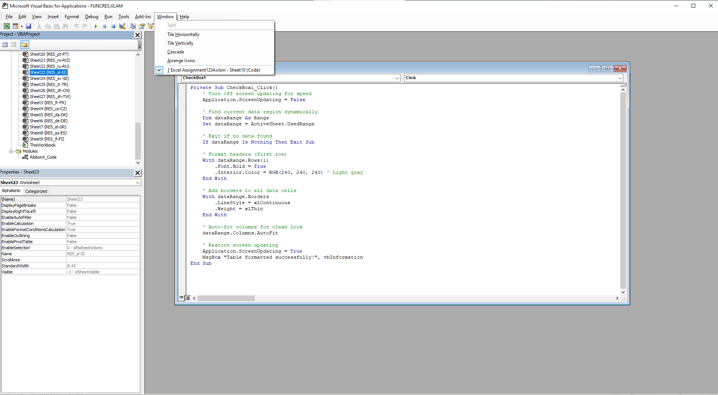

 |  | Task 3: Write a simple VBA script in the editor.

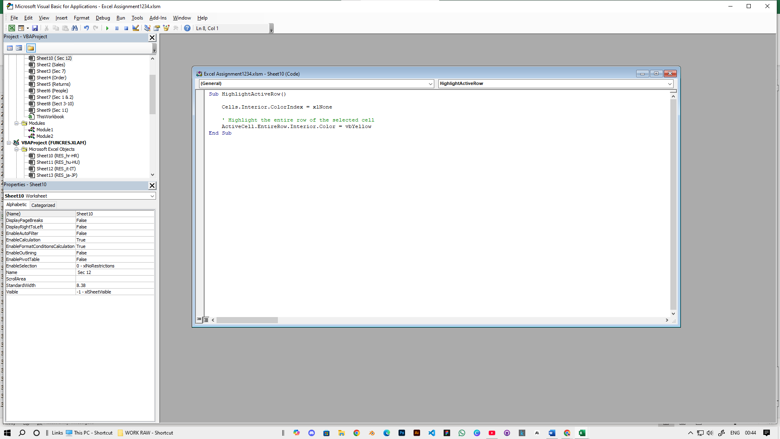

 |  | Task 4: Run the VBA script and observe its effects.

 |  | Always test macros on a copy of your data first becase after this we cant undo

 |  | Task 5: Explain the layout and functionalities of the VBA workspace.

 |  | 1. Key Components Project Explorer (Ctrl+R) - Lists workbooks, sheets, modules Code Window - Write/edit macros (color-coded, auto-complete) Properties Window (F4) - Edit object settings Immediate Window (Ctrl+G) - Debug/test code quickly
 |  | 2. Essential Shortcuts F5 = Run macro F8 = Step through code (debug) F9 = Toggle breakpoint Alt+F11 = Toggle Excel/VBA
 |  | 3. Main Features Modules - Store reusable code ThisWorkbook/Sheets - Workbook/sheet-specific code Debug Tools - Locals/Watch windows for troubleshooting
 |  | 4. Pro Tips Use relative references for flexible macros Bookmark Alt+F11 for quick access Test macros on sample data first Note: Macros disable Excel's undo - always save first!

